Login Page
Zeplin | https://zpl.io/2Zmj0O4

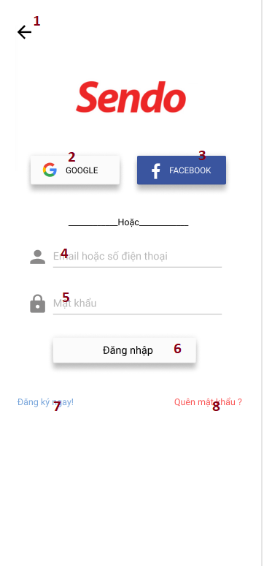
 |  | # | Item name | Item category | Link | Note
 |  | 1 | Homepage | Icon | /Homepage
 |  | 2 | Google | Button |  | After login success => return to homepage After register succes => return to collect data new user page
 |  | 3 | Facebook | Button
 |  | 4 | Username | Input
 |  | 5 | Password | Input
 |  | 6 | Login | Button |  | After login success => return to homepage
 |  | 7 | Register | Text | /register
 |  | 8 | Forget password | Text

1.Collect data new user Page
Zeplin

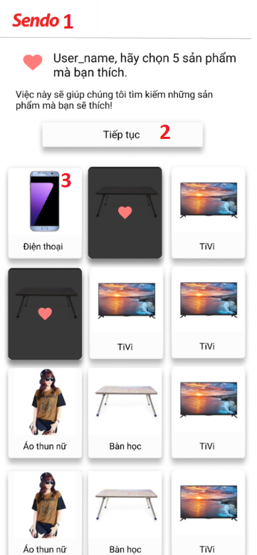
 | # | Item name | Item category | Link | Note
 | 1 | Logo Sendo | Image
 | 2 | Tiếp tục | Button | /Homepage | Chỉ cho phép bấm vào khi user chọn đủ 3 sản phẩm
 | 3 | Thẻ sản phẩm | Card |  | Hiển thị như thẻ thứ 2 (nền đen, icon đỏ ở giữa) khi user click

2.Search bar and nav bar
Zeplin | https://zpl.io/V49zA84


 |  | # | Item name | Item category | Link | Note
 |  | 1 | Category nav | Icon | /Categories
 |  | 2 | Search bar | Input
 |  | 3 | Home | Icon | /HomePage
 |  | 4 | Search | Icon
 |  | 5 | Cart | Icon
 |  | 6 | Gift | Icon
 |  | 7 | User | Icon

3.Categories
Zeplin | https://zpl.io/2p7jnOr
 | https://zpl.io/a8RvpZ6
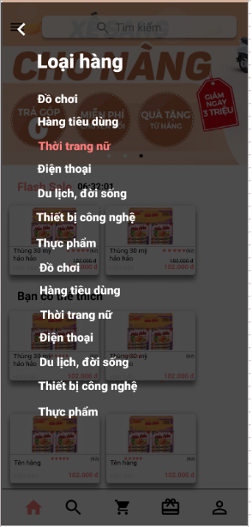
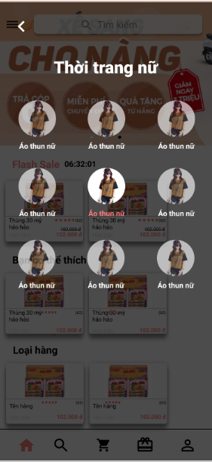
 |  | # | Item name | Item category | Link | Note
 |  | 1 | Title | Text
 |  | 2 | Button | Button | /List product by category | *Fill color like the third button when user click

4.Product Detail Page
Zeplin | https://zpl.io/bo66OAW
 | https://zpl.io/29zzvdW
 | https://zpl.io/a7vvo7K

 |  |  |  | New


 |  | Part name | Layout
 |  | # | Item name | Item category | Link | Note
 |  | 1 | Go back | Icon | /Homepage or /List product by category
 |  | 2 | See more | Icon
 |  | 3 | Buy Now | Button
 |  | 4 | Message | Icon
 |  | 5 | Cart | Icon

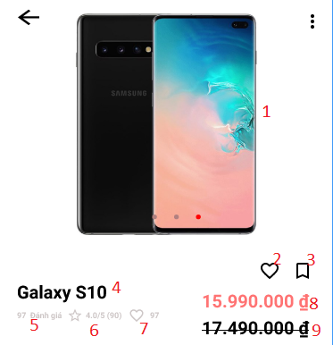
 |  | Part name | Product information
 |  | # | Item name | Item category | Link | Note
 |  | 1 | Product img | Slider image
 |  | 2 | Like | Icon
 |  | 3 | Share | Icon
 |  | 4 | Product tile | text
 |  | 5 | Product review | text
 |  | 6 | Product star by review | text
 |  | 7 | Product love
 |  | 8 | Product price | text |  | If product have old price and new price -> display as design
 |  | 9

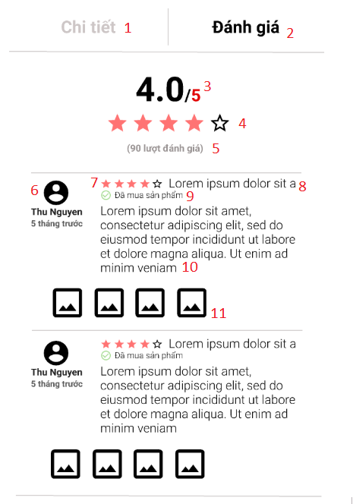
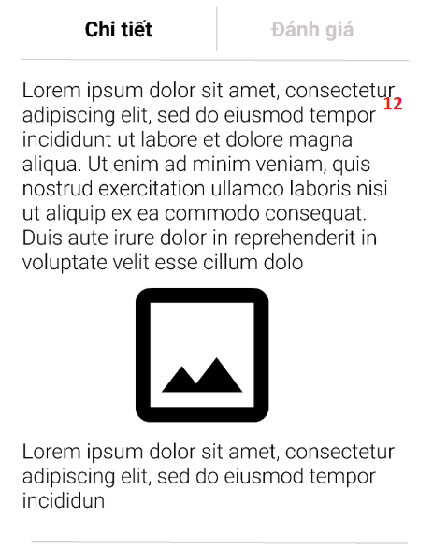
 |  | Part name | Product tab
 |  | # | Item name | Item category | Link | Note
 |  | 1 | Product information tab | Tab bar
 |  | 2 | Product review tab | Tab bar
 |  | 3 | Total point by review | Text
 |  | 4 | Star by review | Icon
 |  | 5 | Total review | Text
 |  | 6 | User info | Text and img
 |  | 7 | Star by user | Icon
 |  | 8 | User review title | Text
 |  | 9 | Confirm buyed of user | Text |  | Display if user have buyed this product
 |  | 10 | User reivew content | Text
 |  | 11 | User review image | List of image
 |  | 12 | User information | Rich text

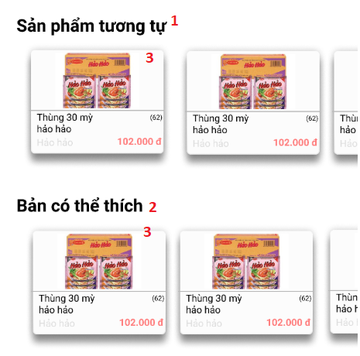
 |  | Part name | Product recommend
 |  | # | Item name | Item category | Link | Note
 |  | 1 | Product similar | Text
 |  | 2 | Product user can like | Text
 |  | 3 | Product info | Card |  | Display as homepage product card

5.Home Page
 | Zeplin | https://zpl.io/V1pv5Dw

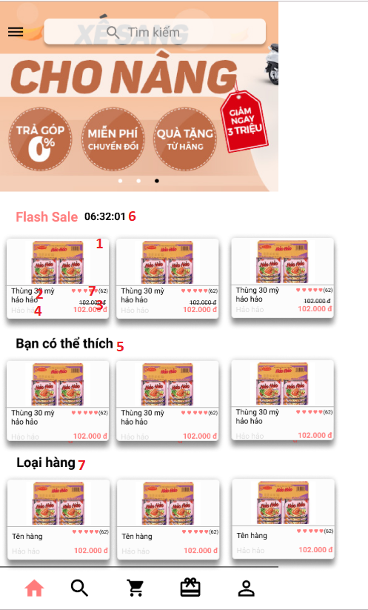
Old |  |  | New
 |  |  |  | # | Item name | Item category | Link | Note
 |  |  |  | 1 | Product img | Image
 |  |  |  | 2 | Product title | Text
 |  |  |  | 3 | Product price | Text |  | If product have old price and new price -> display as design
 |  |  |  | 4 | Product owner | Text
 |  |  |  | 5 | Product user love | Text
 |  |  |  | 6 | Flash sale | Text
 |  |  |  | 7 | Product by category | Text |  | Need so more type of product than design

 |  |  |  | Lưu ý
 |  |  |  | # | Nội dung
 |  |  |  | 1 | Loading nên để center phần background trắng
 |  |  |  | 2 | Chú ý dấu gạch dưới phần cách giữa các loại list sản phẩm không kéo hết màn hình

6.Search Page Product by catego
Zeplin | https://zpl.io/2GRqnjE
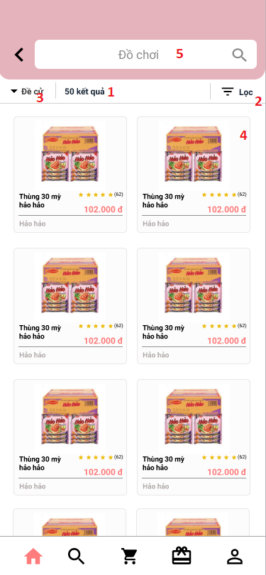
 |  | # | Item name | Item category | Link | Note
 |  | 1 | Số lượng kết quả | Text
 |  | 2 | Bộ lọc | Icon + Text |  | Chưa implement chức năng
 |  | 3 | Đề cử | Icon + Text |  | Chưa implement chức năng
 |  | 4 | Sản phẩm | Card
 |  | 5 | Tìm kiếm | Input

7. Browsing History
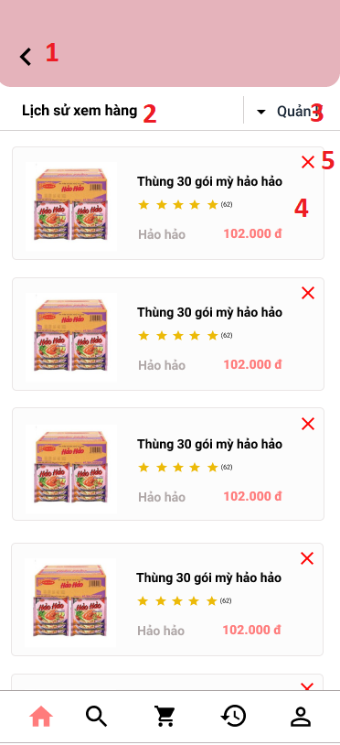
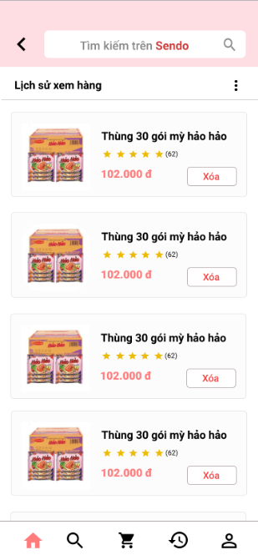
Zeplin | https://zpl.io/adYWXW7
 |  | New design
 |  |  | # | Item name | Item category | Link | Note
 |  |  | 1 | Back | Icon | /homepage
 |  |  | 2 | Title | Text
 |  |  | 3 | Quản lí | Dropdown
 |  |  | 4 | Sản phẩm | Card
 |  |  | 5 | Xóa sản phẩm | Icon

